In Process Inspections
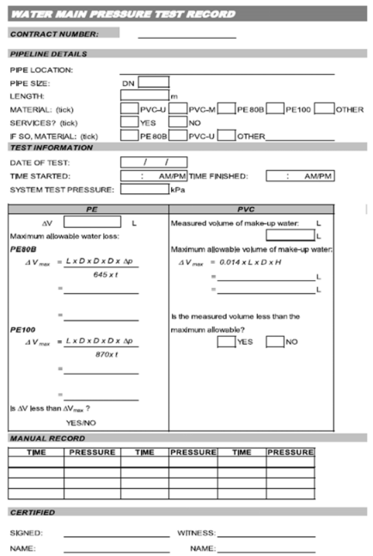
SECTION 4 – IN-PROCESS INSPECTIONS Insert additional or delete unused rows as required. Include reference to specification.
Item No. | Activity/ Task Description | Inspection Point: Quality Control Activity | Acceptance Criteria | Verifying Document | Frequency | Inspection Type (Visual, other) | Inspection
 |  |  |  |  |  |  | Key | By (Role Key)
4.1 | System Pre- test | Pre pressure test | Pressure test - Pass. Pressure test value be determined by Engineer. Use method as outlined in specification section 4.6.6.1 | Watermain Pressure test record - Attached | once | Visual - monitor any pressure drop/time. Report any issues or concerns to Engineer | A | PS / CR
4.2 | System Pressure Test | Pressure test | Pressure test - Pass. Pressure test value be determined by Engineer. Use method as outlined in specification section 4.6.6.1 | Watermain Pressure test record - Attached | once | Visual - monitor any pressure drop/time | A | PS / CR
Note: Client or Clients Representative to be present to witness pressure testing. Test pressure to be confirmed by the Engineer

